Sheet1
 | Document No. | Issue No. | Issue Date |  |  | Review and Replace Date |  | Authorised By
 | GFF046MC | 4 | 28.09.2018 |  |  | 2021-12-11
 | Document Title | Butter Chicken 350g |  |  |  |  |  | Magda Shah

Document amendments reason for change | Film Updated | Page 1 of 1 |  | Previous Issue Date |  |  | 2021-06-11 | Uncontrolled copy unless signed original

CCBU-R4TEB & CCBU-1R4TEB |  | BOOTHS |  |  | BUTTER CHICKEN 350g | CHILLED
STEP 1 |  |  |  | STEP 2
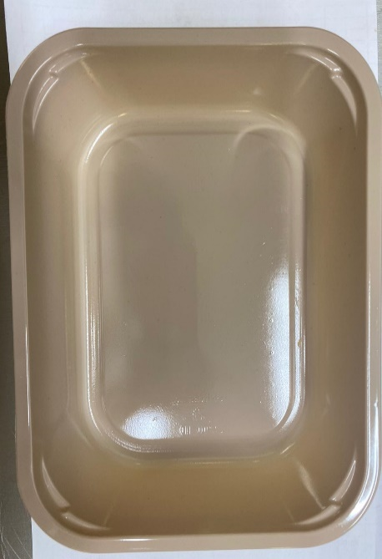 |  |  |  | 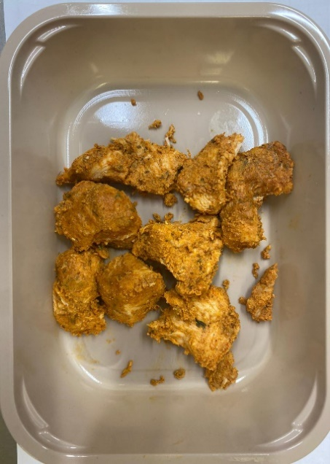

Tray: C 2200­1D Evolve CPET (PKRHP001-09) |  |  |  | British Chicken Tikka (GFF142R): 115g

Film: K peel 7G+25A/f- 275mm (275 mmX1000) (PKKMP001-03)
 |  |  |  | 9 - 11 pieces
STEP 3
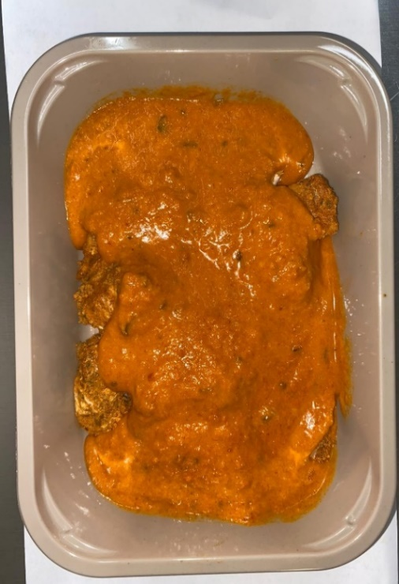

Butter Sauce (GFF134R) : 235g |  |  |  | TOTAL WEIGHT: 350G

ALLERGY ALERT: BARLEY, MILK

